Sheet1
 |  |  |  |  |  |  |  |  |  | AGM Standby Use Battery > NM Series

 | NM12-135

 |  |  |  | 12V135Ah / 10hr rate

Introduction |  |  |  |  |  |  |  | Battery Picture & Terminal Layout
Genergy NM (33Ah-250Ah) series is designed for standby use with 10-year design life in float service. The series battery is featured of high consistency, excellent performance and reliable standby service life. It is widely applied in float service, UPS/EPS, medical equipment, telecom, photovoltaic, control system and security system.

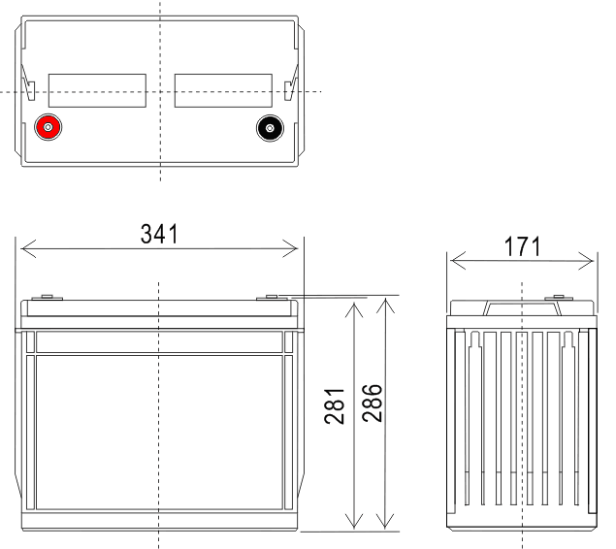
Battery Features
○ Absorbent Glass Mat (AGM) Technology for efficient gas recombination of up to 99% maintenance free and fixed orifice plate pasting technology ○ Low self-discharge ○ Fully tank formed plates ○ Low impurity electrolyte ○ Flame retardant ABS casing with UL94-V0 is available upon request. ○ Very high purity lead

 |  |  |  |  |  |  |  |  |  |  |  |  |  |  | Terminal Type: T13

Electrical Specification
Design floating Life @ 25°C (77°F) |  |  |  | …………………… |  | 10 years
Nominal Capacity @ 25°C /77°F
20 hour rate |  | 7.16A to 1.75Vpc |  | …………………… |  | 143.2 Ah
10 hour rate |  | 13.96A to 1.75Vpc |  | …………………… |  | 139.6 Ah
Internal Resistance
(Fully charged battery @ 25°C /77°F ) …………. |  |  |  |  |  | 4.5mΩ |  | Dimension & Weight
Max. Discharge Current @ 25°C /77°F ………….. |  |  |  |  |  | 1350 A (5S) |  | Dimension (± 2mm) |  |  |  |  |  |  |  | Weight (± 2%)
Charge Methods: Constant voltage charge @ 25°C /77°F |  |  |  |  |  |  |  | Length |  | Width |  | Height |  | Total Height
Cycle Use ……………………………………… |  |  |  |  |  | 14.7 ~ 14.9V |  | 341 | mm | 171 | mm | 283 | mm | 288 | mm | 41.5 | kg
Max. Current ………………………………….. |  |  |  |  |  | 33 A |  | 13.4 | inch | 6.7 | inch | 11.1 | inch | 11.3 | inch | 91.5 | lbs
Standby Use ………………………………….. |  |  |  |  |  | 13.6 - 13.8V
Operating Temperature Range …………………… |  |  |  |  |  | -30 ~ 50°C |  | Typical Applications
Notes: battery voltage must be adjusted according to temperature. |  |  |  |  |  |  |  | ○ Telecommunications |  |  | ○ Power Utility |  | ○ Data Center |  | ○ UPS & EPS
Please refer to our recommendation.
Self-Discharge |  |  |  |  |  |  |  | Certificates
 |  |  |  |  |  | 3% of capacity declined per month @ 25°C (77°F).

Constant Current Discharge (Amperes @ 25°C /77°F)
V/cell | 10min | 15min | 20min | 25min | 30min | 35min | 40min | 45min | 50min | 55min | 1hr | 2hr | 3hr | 4hr | 5hr | 10hr | 20hr
1.60 | 284.12 | 216.89 | 187.36 | 157.84 | 133.60 | 132.43 | 123.49 | 115.32 | 107.83 | 101.34 | 102.21 | 55.42 | 39.43 | 32.75 | 26.77 | 14.31 | 7.23
1.65 | 269.80 | 205.95 | 178.88 | 151.81 | 130.02 | 128.93 | 120.43 | 112.68 | 105.63 | 99.58 | 100.83 | 54.34 | 38.68 | 32.06 | 26.16 | 14.24 | 7.23
1.70 | 258.65 | 197.45 | 171.82 | 146.19 | 125.84 | 124.66 | 116.49 | 109.05 | 102.34 | 96.63 | 98.05 | 52.51 | 37.78 | 31.31 | 25.54 | 14.10 | 7.23
1.75 | 246.72 | 188.33 | 164.15 | 139.97 | 121.07 | 119.95 | 112.34 | 105.42 | 99.27 | 94.11 | 95.97 | 51.06 | 36.96 | 30.62 | 24.99 | 13.96 | 7.16
1.80 | 233.98 | 178.61 | 156.08 | 133.54 | 116.29 | 115.13 | 107.96 | 101.47 | 95.76 | 91.05 | 93.19 | 49.22 | 36.07 | 29.86 | 24.37 | 13.60 | 7.09

Constant Power Discharge (Watts/cell @ 25°C /77°F)
V/cell | 10min | 15min | 20min | 25min | 30min | 35min | 40min | 45min | 50min | 55min | 1hr | 2hr | 3hr | 4hr | 5hr | 10hr | 20hr
1.60 | 493.43 | 376.66 | 331.48 | 286.30 | 249.57 | 248.02 | 230.39 | 214.18 | 199.11 | 186.39 | 186.35 | 102.44 | 74.55 | 61.86 | 50.94 | 28.54 | 15.06
1.65 | 475.92 | 363.30 | 320.38 | 277.47 | 243.00 | 241.45 | 224.48 | 208.90 | 194.50 | 182.45 | 182.88 | 100.36 | 73.86 | 61.17 | 50.25 | 28.27 | 15.06
1.70 | 457.62 | 349.33 | 308.48 | 267.64 | 235.25 | 233.78 | 217.70 | 202.97 | 189.45 | 178.29 | 179.41 | 97.94 | 72.49 | 60.11 | 49.50 | 27.72 | 14.86
1.75 | 437.72 | 334.14 | 295.57 | 257.01 | 226.89 | 225.46 | 210.27 | 196.37 | 183.75 | 173.47 | 175.25 | 94.83 | 70.43 | 58.63 | 48.61 | 27.51 | 14.59
1.80 | 416.23 | 317.74 | 281.65 | 245.57 | 217.94 | 216.49 | 202.17 | 189.12 | 177.39 | 168.00 | 170.39 | 91.47 | 68.57 | 57.15 | 47.51 | 27.24 | 14.45

Subject to revision without notice. Please contact our sales representatives for latest version. |  |  |  |  |  |  |  |  |  |  |  |  |  |  |  | Page 1 of 2
Web:www.genergybattery.com 丨 Email:sales@genergybattery.com

 |  |  |  |  |  |  |  |  |  | AGM Standby Use Battery > NM Series

 | NM12-135

 |  |  |  | 12V135Ah / 10hr rate

Graphs

Subject to revision without notice. Please contact our sales representatives for latest version. |  |  |  |  |  |  |  |  |  |  |  |  |  |  |  | Page 2 of 2
Web:www.genergybattery.com 丨 Email:sales@genergybattery.com

